Blad1
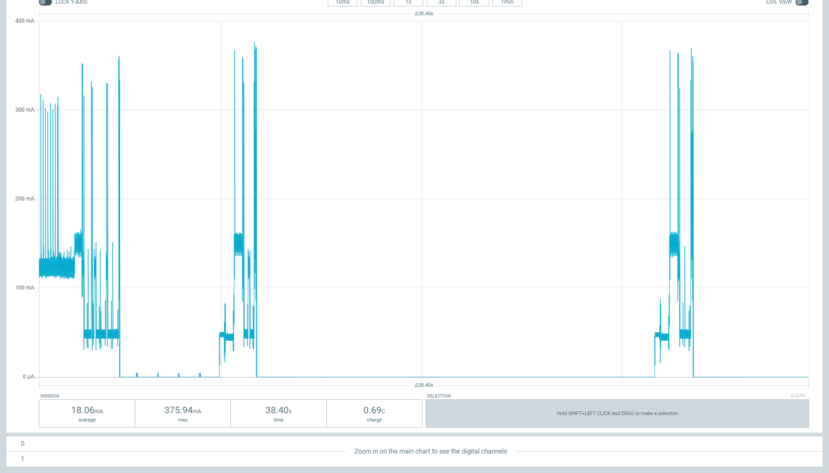

Measurements/hour | 4
Idle time/h (s) | 3592.4
Awake time/h (s) | 7.6

Power conumption (mAh) | 0.17968379111
Battery capacity (mAh) | 5250
Battery utilization (%) | 80
Battery life (days) | 973.9

 | Date | Avg duration (ms) | Average current (mA) | Max current (mA) | Power consumption (mAh)
Awake period | 2022-01-24 | 1900 | 78.25 | 368.85 | 0.041298611111
Sleep period | 2022-01-24 | 2000 | 0.01452 | 0.02617 | 8.0666666667E-06

